Composite
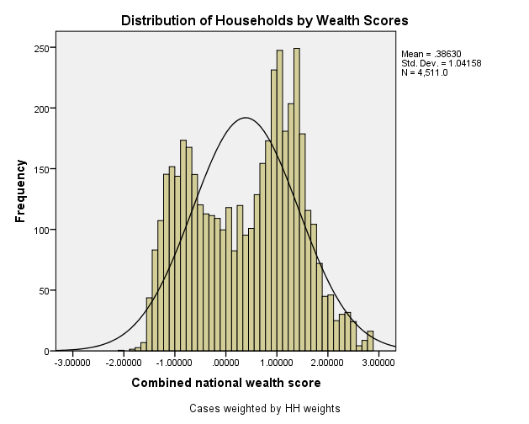
Combined Scores

 | Urban Area

 |  | Coefficientsa
 |  | Model |  | Unstandardized Coefficients |  | Standardized Coefficients | t | Sig.
 |  |  |  | B | Std. Error | Beta
 |  | 1 | (Constant) | 0.733 | 0.005 |  | 140.811 | 0.000
 |  |  | urbscore Urban wealth score | 0.840 | 0.005 | 0.968 | 161.464 | 0.000
 |  | a. Dependent Variable: comscore Common wealth score

 |  |  | Combined Score= .733 + .840 * Urban Score

 | Rural

 |  | Coefficientsa
 |  | Model |  | Unstandardized Coefficients |  | Standardized Coefficients | t | Sig.
 |  |  |  | B | Std. Error | Beta
 |  | 1 | (Constant) | -0.466 | 0.004 |  | -132.933 | 0.000
 |  |  | rurscore Rural wealth score | 0.751 | 0.004 | 0.971 | 214.206 | 0.000
 |  | a. Dependent Variable: comscore Common wealth score

 |  |  | Combined Score= -.466 + .751 * Rural Score

 | Combined Score

 |  | Statistics
 |  | combscor Combined national wealth score
 |  | N | Valid | 4511
 |  |  | Missing | 0
 |  | Mean |  | 0.3862998
 |  | Std. Error of Mean |  | 0.01550795
 |  | Median |  | 0.5676875
 |  | Mode |  | .80955a
 |  | Std. Deviation |  | 1.04157529
 |  | Skewness |  | -0.084
 |  | Std. Error of Skewness |  | 0.036
 |  | Kurtosis |  | -1.082
 |  | Std. Error of Kurtosis |  | 0.073
 |  | Minimum |  | -2.01542
 |  | Maximum |  | 2.87641
 |  | Percentiles | 20 | -0.7520897
 |  |  | 40 | 0.0765679
 |  |  | 60 | 0.8927648
 |  |  | 80 | 1.3516292
 |  | a. Multiple modes exist. The smallest value is shown

 | histrogram

